Sheet1
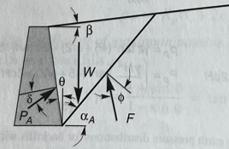
Calculating Volume
 | Height | 150 | ft
 | Diameter | 100 | ft
 | Radius | 50 | ft
 | Unit Weight (γ) | 115 | pcf
 | Angle of Repose (β) | 30 | deg
 |  | 0.5235987756 | rad
 | Internal Friction Angle (Φ) | 34 | deg
 |  | 0.59341194568 | rad
 | Theta (α) | 0 | deg
 |  | 0 | rad
 | Delta (δ) | 17 | deg
 |  | 0.29670597284 | rad
 | C1 | 0.39719911609
 | C2 | 1.4746431471
 | Failure Wedge Angle (α) | 51.576753232

Sheet2
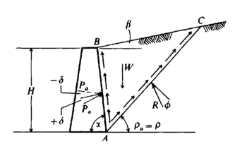
Input
Height | 150 | ft
Diameter | 100 | ft
Radius | 50 | ft
Unit Weight (γ) | 115 | pcf
Angle of Repose (β) | 30 | deg
 | 0.5235987756 | rad
Internal Friction Angle (Φ) | 34 | deg
 | 0.59341194568 | rad
Theta (α) | 0 | deg
 | 0 | rad
Delta (δ) | 17 | deg
 | 0.29670597284 | rad
Failure Plane Angle(ρ) | 50
 | 0.872664626
Aspect Ratio (n) | 1.5
H0 | 150
H | 121.13248654

Centroid of Wedge | -7.4460821771 | ft
Area of Wedge | -5288.6201728 | ft^2
Volume of Wedge | 247428.69838 | ft^3
Weight | 28454300.314 | lbs
Weight/Unit Length | 90572.850943 | lb/ft
Pa | -1430476.7215
k | -1.6954761523

